INSTRUCTIONS
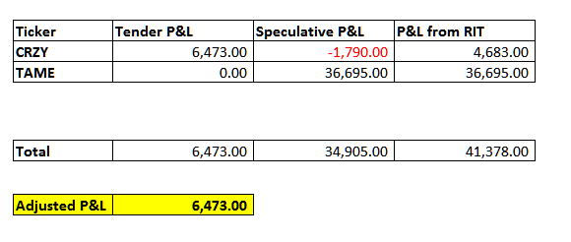
LT3 Performance Self-Evaluation Tool instructions

1. After the case is completed, click "Transaction Log" from the tool bar within the RIT client.

2. The Transaction Log window will appear below. Right Click on the data and select "Copy to Clipboard."

3. After copying the transaction log, paste the data into cell A9 of the Results tab. Right click on cell A9. Select "Keep Text Only" under Paste options.
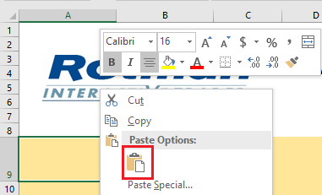
4. After pasting your transaction history, the spreadsheet should look similar to the picture below. Click on "Calculate Results".

5. Results will be located in the chart below where profits will be separated into profits from Tenders and Profits from Speculation. Adjusted P/L will be calculated from the Tender and Speculative P/L. Please note that you will be ranked based on your Adjusted P/L.

